Effort Calculation
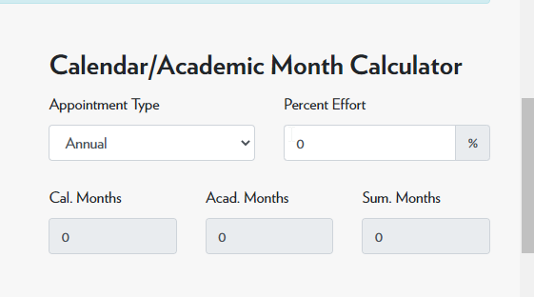
A. | To calculate the Percentage of effort, refer to the calculator at:
 | https://rsp.wisc.edu/forms/budgettools.cfm

 |  | 1. Select Appointment Type
 |  | 2. Enter Percent Effort
 |  | 3. The calculator will display the months in
 |  | Calendar, Academic, or Summer months

 |  |  |  | c

B. | Or, to calculate person months, multiply the percentage of your effort associated with the project times the number of months of your appointment.
 | For example:
 | Appointment type |  | Percentage |  | Months | Calculation | Formula
 | 9 month Academic Year |  | 25% | = | 2.25 Academic Year person months | (9 x 0.25 = 2.25 months) | 2.25
 | 12 month Calendar Year |  | 10% | = | 1.2 Calendar Year person months | (12 x 0.10 = 1.2 months) | 1.2
 | 3 month Summer term |  | 35% | = | 1.05 Summer person months | (3 x 0.35 = 1.05) | 1.05
 | 12 month 0.5 FTE appointment |  | 10% | = | 0.6 Calendar Year person months | (12 x 0.5 x 0.1 = 0.6) | 0.6
 | 12 month 1 FTE |  | 25% | = | 3 Calendar Year person months | (12 x 0.25) | 3

 | Additional resource in table form, refer to document at:
 | https://blink.ucsd.edu/_files/ocga/forms/Effort%20Percent_Person-%20Months%20Conversion%20Tables.pdf

