Data
Answers | Picture names | Name | Description | Cost | Duty | Liftime | Ink Cost | Ink Life | Ink cost color | Ink life color | cpp black | cpp color
Yes | HPInk | None
No | HPLaser | HP OfficeJet Pro 7740 | Large duplexing inkjet for offices | 250 | 1500 | 11000 | 38 | 2450 | 51 | 700 | 2.1 | 8.1
 | EpsonInk | HP LaserJet Pro M501dn | Good mono laser printer for small office | 328 | 3750 |  | 187 | 9000 |  |  | 1.6
 | DellLaser | Epson WF-2760 | Budget all in one geared for small offices | 80 | 800 |  | 30 | 500 | 51 | 450 | 6 | 17.3
 | CanonInk | Dell S5840cdn | Color laser for medium sized workgroups | 707 | 14000 |  | 109 | 5000 | 423 | 4000 | 0.9 | 7
 | CanonLaser | Canon Pixma MG6620 | Wireless inkjet photo printer | 122 | 1000 |  | 25 | 300 | 60 | 330
 |  | Canon imageCLASS LBP6780dn | High volume workgroup mono laser | 330 | 40000 |  | 214 | 12500

 |  |  |  |  |  |  |  |  |  |  |  |  | 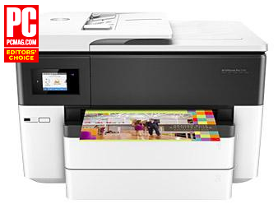 | 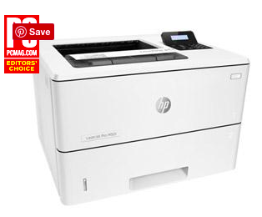 | 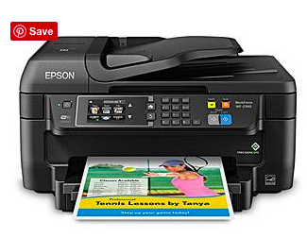 | 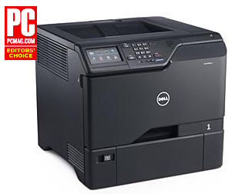 | 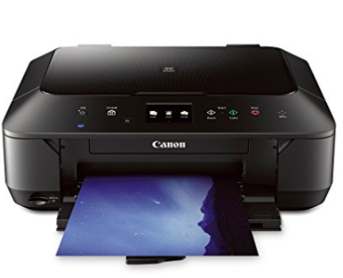 | 